UASProposalFormOverview
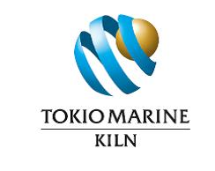
TOKIO MARINE KILN UAS PROPOSAL FORM

This is an application for insurance with certain underwriting syndicates at Lloyd’s. The Lloyd’s market is a pre-eminent provider of innovative personal insurances and a leader of insurance in the United Kingdom. Our policies continue to offer a unique and unrivalled combination of flexibility and security for our clients.
Data Protection You should understand that any information you have provided will be processed by us, in compliance with the provisions of the Data Protection Act 1998, for the purpose of providing insurance and handling claims or complaints, if any, which may necessitate providing such information to other parties.
There are conditions, limitations, exclusions and excesses within the insurance document a copy of which will be provided on request. A copy of your completed proposal will be available (on request) provided the insurance is effected, but you should keep a record (including copies of letters) of all the information you supply. This proposal must be read in conjunction with the key facts document.
You must take care in answering all the following questions which are relevant to insurers in providing this insurance and setting the terms and premium. If you do not understand the questions or the nature of the information required then please seek guidance from your broker. Failure to provide information or the provision of incomplete or inaccurate information may result in the loss of cover or revised terms and/or premium or it may affect any claim you make under this insurance.

